MPR 5.4-Jan Ganga Vertical_Comm
 |  |  |  |  | MPR 5.4
(April 2026 - March 2027)
For the Month of July 2026 (As on 1st August 2026)
MPR Communication
 | Followers | Till Previous Month-June 2026 | Current Month-July 2026
1 | Twitter | 125,552 | 124,983
 | Facebook | 622,655 | 627,430
 | Instagram | 150,296 | 154,824
2 | In Current Month
a) | Webposts (excluding B and C) | Number of Images | Videos (Minutes)
 | Twitter | 205 | 29 | 40 Minutes
 | Facebook | 205 | 29 | 40 Minutes
 | Instagram | 138 | 34 | 50 Minutes

b) | Rebuttals on | 1
 | Social Media

c) | Positive Stories | 35 |  | Annex A
 | Social Media

3 | Youtube

4 | Print Media
a) | Rebutted | Nil
b) | Positive Stories | 13 |  | Annex A
5 | Publication through PIB
a) | Press Release ( Atleast One per month )
i) | Press Release-Event Based | ETF 2nd July 2026
ii) | Press Release- Success Story | NBS , 9th July 2026
b) | Backgrounder ( One per Quarter ) | Planned for next month
c) | Articles/Op-eds in Newspapers ( One article -Half Yearly) | Work on this is currently in progress
 |  | Number of Events | Participation
6 | Events Organised by NMCG |  |  | Annex B
i). | Cleanliness Drives on Yamuna | 4 | Approx. 2000
7 | Events through Partner |  |  | Annex B
a) | DGC & SMCG | 56 | 35116
b) | NGO | Nil | Nil
c) | Institutes | Nil | Nil
 | Total | 56 | 35116
8 | Sponsorship | Nil
9 | Capacity Building Training /Workshop (Communication Unit ) | Nil
 |  |  |  | Annex B
 | Annex A | S. No 2 C, 4 B | Coverage
S. No. | Title | Date | Twitter | Facebook | Instagram
1 | 12 years of NMCG | 1st July 2026 | https://x.com/cleanganganmcg/status/2072163769850229012?s=20 | ----------------------- | https://www.instagram.com/reel/DaPErP6vtSo/?utm_source=ig_web_copy_link&igsh=MzRlODBiNWFlZA==
2 | 12 years of NMCG | 02nd July 2026 | https://x.com/cleanganganmcg/status/2072570194338455719?s=20 | https://www.facebook.com/reel/1420316136598600 | https://www.instagram.com/reel/DaR9-buG7s-/?utm_source=ig_web_copy_link
3 | Public review- Banaras | 03rd July 2026 | https://x.com/cleanganganmcg/status/2072964974842912985?s=20 | https://fb.watch/ICVmZysNrJ/ | https://www.instagram.com/reel/DaUxV8bkh9J/?utm_source=ig_web_copy_link&igsh=MzRlODBiNWFlZA==
4 | Project update- Haridwar | 03rd July 2026 | https://x.com/cleanganganmcg/status/2073033728771936583?s=20 | https://www.facebook.com/cleanganganmcg/posts/pfbid02nCCHCTm1Roh73FgCEgC2HzEr7M15DC6u8Y4EFNhfRk9ii2EYWA4CDUGGSNpi6i3Zl | https://www.instagram.com/p/DaVQ2Qrj2gE/?utm_source=ig_web_copy_link&igsh=MzRlODBiNWFlZA==
5 | 12 Years of NMCG | 07th July 2026 | https://x.com/cleanganganmcg/status/2074375031006892182?s=20 | https://www.facebook.com/reel/1668429697610295 | https://www.instagram.com/reel/DaeyuJBk6EW/?utm_source=ig_web_copy_link&igsh=MzRlODBiNWFlZA==
6 | Rebuttal Post- 3.5 MLD STP Rishikesh | 07th July 2026 | https://x.com/cleanganganmcg/status/2074439171746447390?s=20 | https://www.facebook.com/cleanganganmcg/posts/pfbid02grNAkFwHoYQmViWFEgc2z2cfbZZGdu3nx5HP4LMUhLdhmANaESUjHxGXLfSMdP1Yl | https://www.instagram.com/p/Dafq3WVj9va/?utm_source=ig_web_copy_link&igsh=MzRlODBiNWFlZA==
7 | Project Update Rishikesh | 07th July 2026 | https://x.com/cleanganganmcg/status/2074491185863987603?s=20 | https://www.facebook.com/cleanganganmcg/posts/pfbid037CLtTnYYY2JJGPPjsBUgPbmQgUGYhPUYebUAG1LpL4AqY5ocDMMkmQCeZXGUV8eMl | https://www.instagram.com/p/DafnoMdj-lJ/?utm_source=ig_web_copy_link&igsh=MzRlODBiNWFlZA==
8 | Cleanliness drive- Varanasi | 08th July 2026 | https://x.com/cleanganganmcg/status/2074868204602855834?s=20 | https://www.facebook.com/cleanganganmcg/posts/pfbid0kTqDsS4Hgw8yRtg7NkpZv2omuUR7k26VeUcH1usyEkq6Z2TLsNWhwJ5vrcDww9Wul | https://www.instagram.com/p/Dah2o6pktZ_/?utm_source=ig_web_copy_link
9 | 12 Years of NMCG | 09th July 2026 | https://x.com/cleanganganmcg/status/2075084944918069644?s=20 | https://www.facebook.com/reel/1763008691382061 | https://www.instagram.com/reel/Daj10dIEux0/?utm_source=ig_web_copy_link&igsh=MzRlODBiNWFlZA==
10 | Public review- Patna | 09th July 2026 | https://x.com/cleanganganmcg/status/2075154698148233295?s=20 | https://www.facebook.com/reel/1697860912006814 | https://www.instagram.com/reel/DakU4wJFeQ4/?utm_source=ig_web_copy_link&igsh=MzRlODBiNWFlZA==
11 | Project update- Uttarkashi | 10th July 2026 | https://x.com/cleanganganmcg/status/2075546845489811912?s=20 | https://www.facebook.com/cleanganganmcg/posts/pfbid0GaebJKwcPcRXvNA9qa9EzVh5q2yqgvfwBzb9j1WEE4GQSh8C5a8MFkqnBe6uxSbZl | https://www.instagram.com/p/DanH5H8AB0o/?utm_source=ig_web_copy_link&igsh=MzRlODBiNWFlZA==
12 | STP Story- 100 MLD Bihar | 12th July 2026 | https://x.com/cleanganganmcg/status/2076283096027279416?s=20 | https://facebook.com/reel/1017987024162240/ | https://www.instagram.com/p/DapdH4UD35f/?utm_source=ig_web_copy_link&igsh=MzRlODBiNWFlZA==
13 | Biodiversity- Meerut | 13th July 2026 | https://x.com/cleanganganmcg/status/2076529400183714213?s=20 | https://www.facebook.com/cleanganganmcg/posts/pfbid0kt5QrRcFneLqu3EiGPsu5dVrbUCK6cYKt1m5v9ZcTd2kXUpcccevFNppePM4iXRAl | https://www.instagram.com/reel/DauIY34sr_p/?utm_source=ig_web_copy_link&igsh=MzRlODBiNWFlZA==
14 | Wetlands | 13th July 2026 | https://x.com/cleanganganmcg/status/2076540640717132142?s=20 | https://www.facebook.com/cleanganganmcg/posts/pfbid022jdEdeqWpYkCuv7Jf1A6sS4xsHfxeU2sZNEUPL5D2CFtacRLo4R2VPgRroz368V3l | https://www.instagram.com/p/DauLtkwMV4m/?utm_source=ig_web_copy_link&igsh=MzRlODBiNWFlZA==
15 | Wetlands | 13th July 2026 | https://x.com/cleanganganmcg/status/2076641525371691130?s=20 | https://www.facebook.com/cleanganganmcg/posts/pfbid0DPY9SofcoesfpyHARGuvmtTS2DHcGbiwjPFJUeQv4gLKbDpDbRqew6P6LGp6kN8gl | https://www.instagram.com/reel/Dau5gQMA0Q-/?utm_source=ig_web_copy_link&igsh=MzRlODBiNWFlZA==
16 | Wetlands | 14th July 2026 | https://x.com/cleanganganmcg/status/2076905519210778777?s=20 | https://www.facebook.com/cleanganganmcg/posts/pfbid02dPRHpas5Sbbr4Y7iP3ZBRdsuH1NrH4ZrHFZ2GHUMcDFXHvyNfM67PQq8zkfaBBHpl | https://www.instagram.com/reel/DawvhrdsESf/?utm_source=ig_web_copy_link
17 | City level action plan for reuse of treated water- Varanasi | 14th July 2026 | https://x.com/cleanganganmcg/status/2076985957535150150?s=20 | https://www.facebook.com/cleanganganmcg/posts/pfbid0291d6xP1SuxMeR6aEvg5LjhZRqNwAgs9qoG7CAzLnZcrP6Gvxzp83GuzYYVQheQW6l | https://www.instagram.com/reel/DaxWsiWPVnI/?utm_source=ig_web_copy_link&igsh=MzRlODBiNWFlZA==
18 | 71st EC Meeting | 14th July 2026 | https://x.com/cleanganganmcg/status/2076996338370465820?s=20 | https://www.facebook.com/cleanganganmcg/posts/pfbid02sgYS5Ep3d9PcMM8CwsP5Xfxw97GCQk8WKUXzdy5hRUmHBooAssfe8D8gPzV2BnHGl | ----------------------------
19 | Wetlands | 15th July 2026 | https://x.com/cleanganganmcg/status/2077316816146510335?s=20 | https://www.facebook.com/cleanganganmcg/posts/pfbid0g6FGS5ChrZwDN3jaoS6cL7od34z9MSQ7XZ6A8UXLzH7RjqJTJZmaNPdb9y9qq5w2l | https://www.instagram.com/p/DazsmGlAXhY/?utm_source=ig_web_copy_link&igsh=MzRlODBiNWFlZA==
20 | Project update- Meerut | 16th July 2026 | https://x.com/cleanganganmcg/status/2077611092252246322?s=20 | https://www.facebook.com/cleanganganmcg/posts/pfbid0WLyVbq48mu83fx3kRsoZAFvh5Fj7tMHsps5fABUBwJk3JyjMprh9t6cexjhTkPNal | https://www.instagram.com/p/Da12Ae-jIo1/?utm_source=ig_web_copy_link&igsh=MzRlODBiNWFlZA==
21 | Drain tapping- Kanpur | 16th July 2026 | https://x.com/cleanganganmcg/status/2077676414820815136?s=20 | https://facebook.com/reel/1556690389104739/
22 | Ek din ek ghanta ek sath-Cleanliness drive- | 19th July 2026 | https://x.com/cleanganganmcg/status/2078772715411132859?s=20 | https://www.facebook.com/cleanganganmcg/posts/pfbid0CvTF5JrQjByRX8yJ4mrgGrYmyM1bUTAi9xa79aRvpUVUXpRfMxoLTxStgc1kf2R2l | https://www.instagram.com/p/Da-AcuYDxW5/?utm_source=ig_web_copy_link&igsh=MzRlODBiNWFlZA==
23 | Cleanliness drive- Bihar | 20th July 2026 | https://x.com/cleanganganmcg/status/2079074548826435882?s=20 | https://www.facebook.com/cleanganganmcg/posts/pfbid02fnLNkNtQL4Juvv1bH4Vb1snBgKh1UC7SKLAegC3teMvtCEr3PF1wS6qQoAJtNj8Dl | https://www.instagram.com/p/DbAMGWLDODy/?utm_source=ig_web_copy_link&igsh=MzRlODBiNWFlZA==
24 | Project update - Kanpur | 20th July 2026 | https://x.com/cleanganganmcg/status/2079153981037949426?s=20 | https://www.facebook.com/cleanganganmcg/posts/pfbid0R5J5hKurRpSUdgsaq5QHo34Dk9XVrA5XwtU6YCrRL83vXEtgL22VW7JhhwU8qTuJl | https://www.instagram.com/reel/DbAwuNXgMaE/?utm_source=ig_web_copy_link
25 | Dolphin rescue | 21st July 2026 | https://x.com/cleanganganmcg/status/2079518172542378021?s=20 | https://facebook.com/reel/1500220331426892/ | https://www.instagram.com/p/DbDfJm5j59C/?utm_source=ig_web_copy_link&igsh=MzRlODBiNWFlZA==
26 | Project update- Unnao | 22nd July 2026 | https://x.com/cleanganganmcg/status/2079900559990206907?s=20 | https://www.facebook.com/cleanganganmcg/posts/pfbid02jfXSf3WancTvxSz4n8kmRHwiv5At3SLcuCrAawyg15p6iAnSvYbCv2YicsNnrvrHl | https://www.instagram.com/reel/DbGDW3yPK5g/?utm_source=ig_web_copy_link
27 | Wetlands | 23rd July 2026 | https://x.com/cleanganganmcg/status/2080137414358728829?s=20 | https://www.facebook.com/cleanganganmcg/posts/pfbid02y8hsrj8VR84QyQerophe1Q9hxMmRv7xvQGRtR3HMTVZ6bAqGd7f5boVLorE3dndml | https://www.instagram.com/reel/DbHwezhIGqc/?utm_source=ig_web_copy_link&igsh=MzRlODBiNWFlZA==
28 | Safe Reuse of Treated Waste Water | 24th July 2026 | https://x.com/cleanganganmcg/status/2080502947725656432?s=20 | https://www.facebook.com/cleanganganmcg/posts/pfbid05jbgLxfkywA8GN2fAkDP5GSkDup9YUALUdPbbwEFg5sNd94em5ajxiqJawUWPpjFl | https://www.instagram.com/reel/DbKW8gpvyzs/?utm_source=ig_web_copy_link&igsh=MzRlODBiNWFlZA==
29 | Public review- Prayagraj | 24th July 2026 | https://x.com/cleanganganmcg/status/2080516923759247464?s=20 | https://facebook.com/reel/1060450369669945/ | https://www.instagram.com/reel/DbKkXYIPiQ_/?utm_source=ig_web_copy_link&igsh=MzRlODBiNWFlZA==
30 | 4O MLD TTP Bingwana, Kanpur | 24th July 2026 | https://x.com/cleanganganmcg/status/2080548563386560917?s=20 | https://facebook.com/reel/4362828027366735/ | https://www.instagram.com/reel/DbKshAJPpC8/?utm_source=ig_web_copy_link&igsh=MzRlODBiNWFlZA==
31 | Project update- Prayagraj | 24th July 2026 | https://x.com/cleanganganmcg/status/2080601512368365860?s=20 | https://www.facebook.com/cleanganganmcg/posts/pfbid02mvLaNE3arBJDH44ku9fHeM3BEvxDx887xD7cq8VSJZ3xVEWSxMzcTohyHB4AJUbl | https://www.instagram.com/reel/DbLHlVYvzrH/?utm_source=ig_web_copy_link
32 | Public review- Banaras | 27th July 2026 | https://x.com/cleanganganmcg/status/2081655026888695858?s=20 | https://www.facebook.com/share/r/1KYpZGyYUY/ | https://www.instagram.com/reel/DbSg99vMNzz/?utm_source=ig_web_copy_link&igsh=MzRlODBiNWFlZA==
33 | Safe reuse of treated waste water adopted | 28th July 2026 | https://x.com/cleanganganmcg/status/2082079984806772834?s=20 | https://www.facebook.com/share/p/196Qm9PVE7/ | https://www.instagram.com/reel/DbVigwoMr-i/?utm_source=ig_web_copy_link&igsh=MzRlODBiNWFlZA==
34 | Project Update Banaras | 31st July 2026 | https://x.com/cleanganganmcg/status/2083058941928554506?s=20 | https://www.facebook.com/share/p/18hagBPZF3/ | https://www.instagram.com/p/DbcgN0zjMvM/?igsh=NmdmeGtva2c3d2Fi
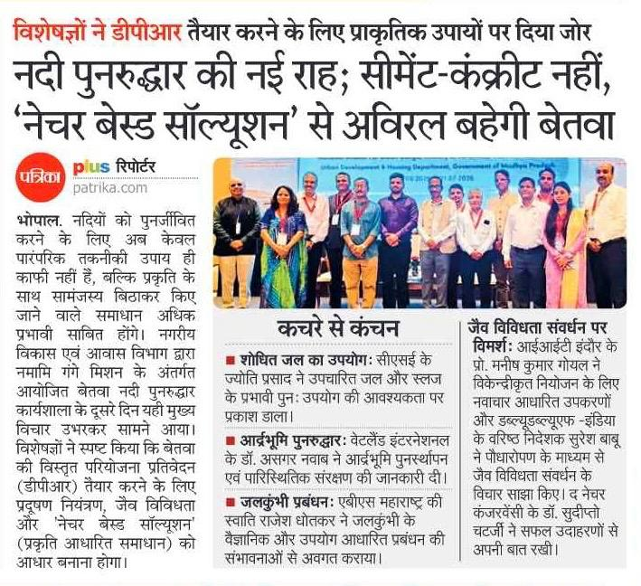
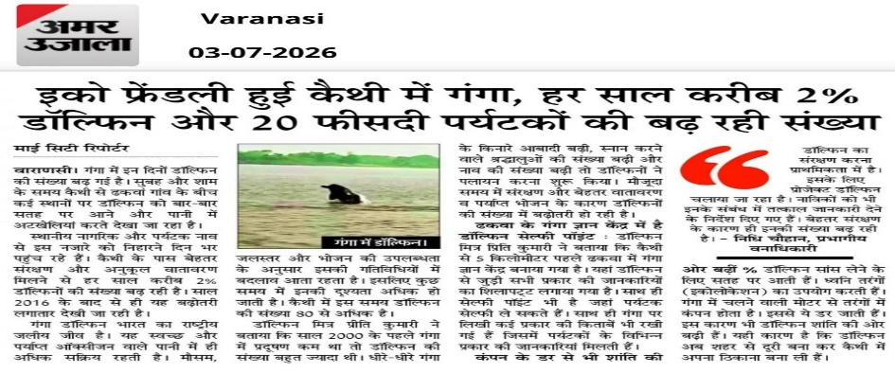
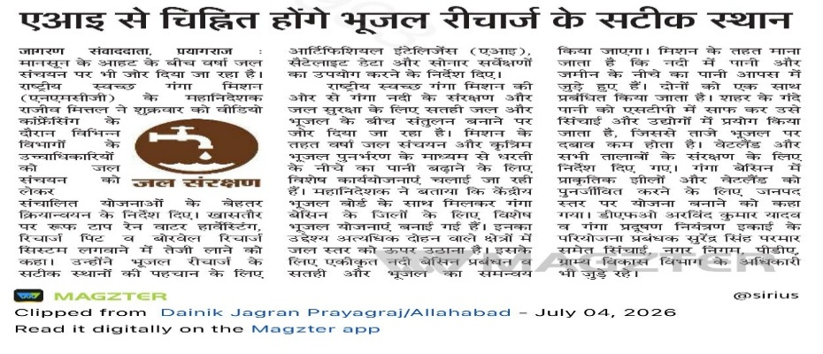
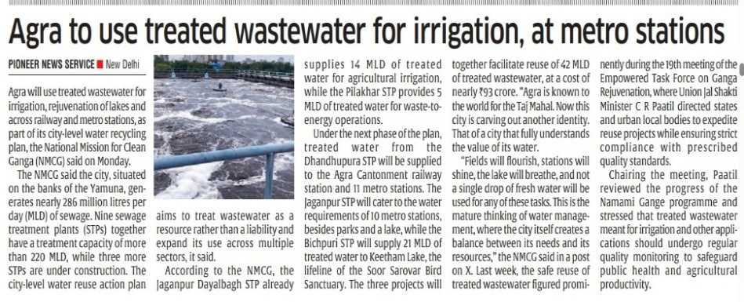
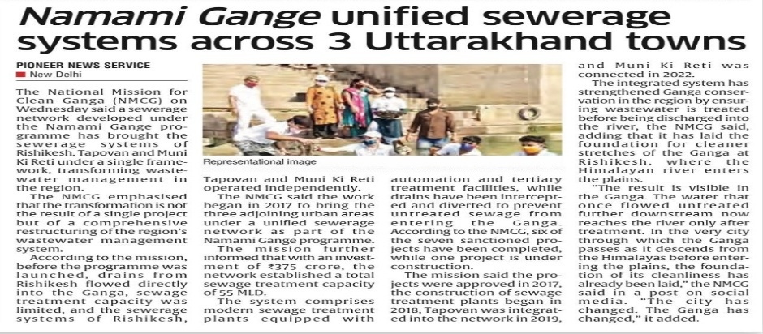
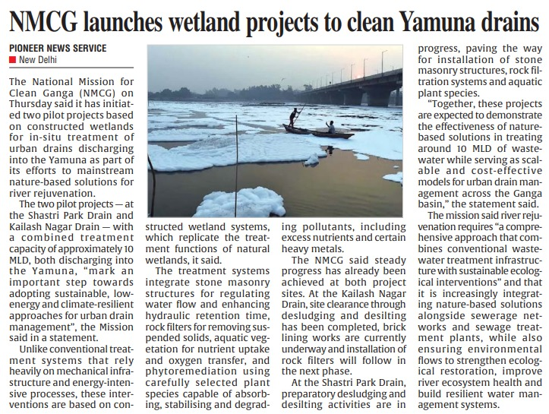
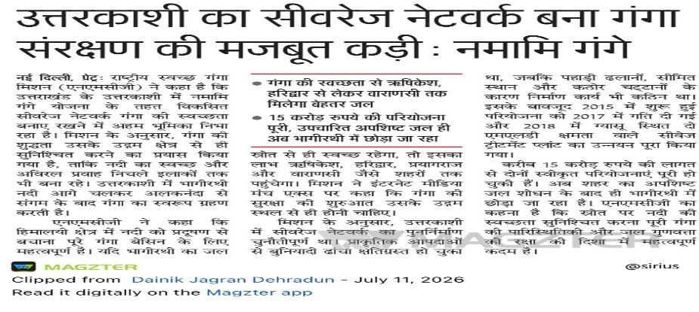
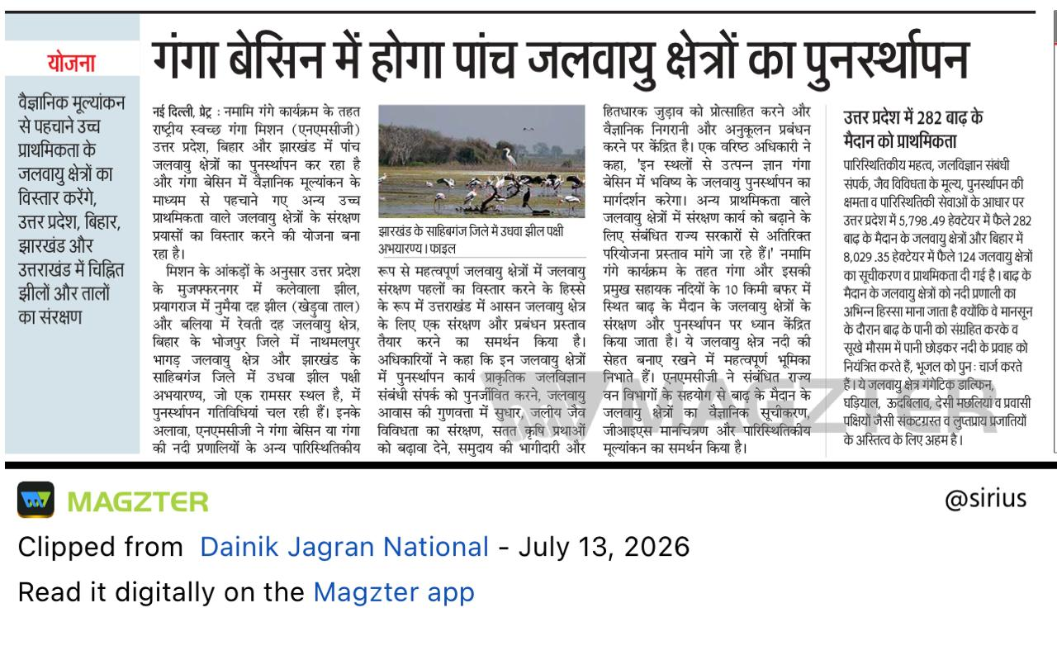
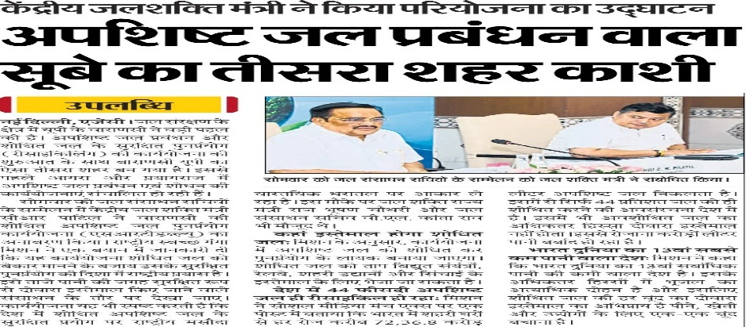

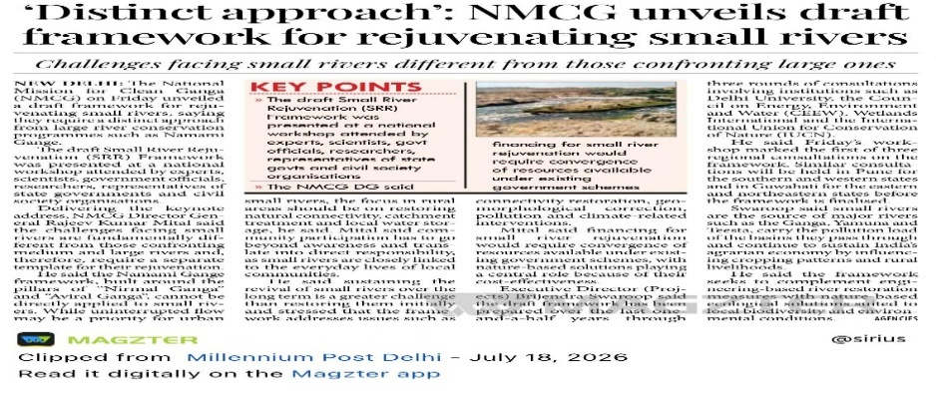
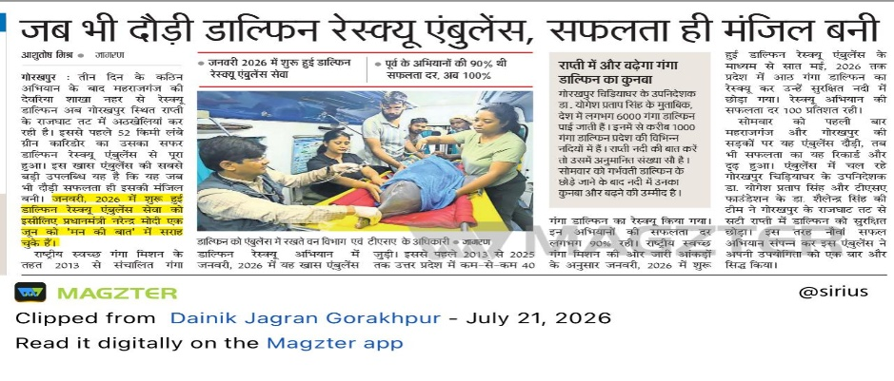
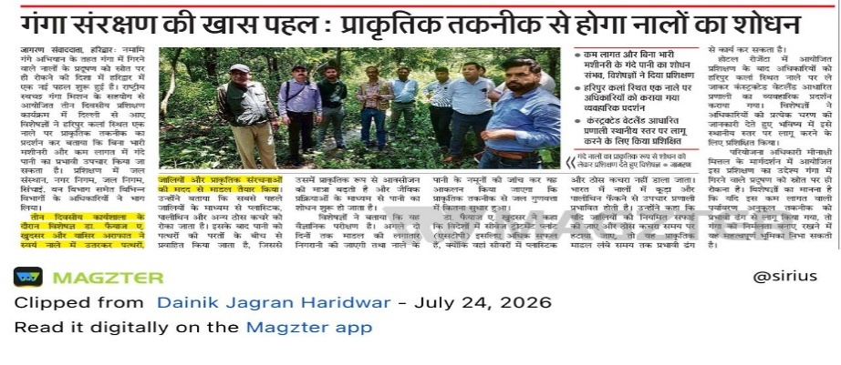
35 | A New Approach to River Rejuvenation: Nature-Based Solutions Will Restore the Betwa's Continuous Flow | 2nd July
36 | Kashi Emerges as a Haven for Ganga Dolphins | 3rd July
37 | AI Will Help Identify Precise Sites for Groundwater Recharge | 4th July
38 | Agra to Use Treated Wastewater for Irrigation and at Metro Stations | 7th July
39 | Namami Gange Integrates Sewerage Systems in Three Uttarakhand Towns | 9th July
40 | NMCG Launches Constructed Wetland Projects for Yamuna Drain Cleanup | 10th July
41 | Namami Gange: Uttarkashi's Sewerage Network Emerges as a Key Link in Ganga Conservation | 11th July
42 | Namami Gange to Restore Five Wetland Sites Across the Ganga Basin | 13th July
43 | Varanasi Becomes UP's Third City to Implement a Wastewater Management System | 14th July
44 | NMCG: Ganga's Cleanliness Depends on the Entire River Basin, Not Just Riverbank Cities | 17th July
45 | NMCG Introduces Draft Framework for Small River Rejuvenation | 18th July
46 | Dolphin Rescue Ambulance Turns Every Rescue Mission into a Success | 21st July
47 | Namami Gange Promotes Nature-Based Solutions for Drain Water Treatment | 24th July
48 | Jal Shakti Minister Shri C.R. Paatil chairs 19th Meeting of Empowered Task Force on Ganga Rejuvenation | 2nd July | https://www.pib.gov.in/PressReleasePage.aspx?PRID=2280512&reg=3&lang=1 | PIB Release
49 | NMCG's focus on Nature Based Solutions: Initiation of two pilot projects and training programs on NbS | 9th July | https://www.pib.gov.in/PressReleasePage.aspx?PRID=2282711&reg=3&lang=1 | PIB Release
 | Annex B | S. No 5,6,7
S. No. | Event Name (Activity Type) | Agency | Date | Venue | Participants
1 | Cleanliness Drives on Yamuna | NMCG with NGOs (Delhi) | Every Sunday | Kalindi Kunj , Yamuneshwar Ghat , Geeta Colony , Sonia Vihar | NGOs- YSS Foundation, Yuva Parivartan Foundation, Friends of Yamuna Swachh Yamuna Abhiyaan, Aanchal Foundation; Schools, Colleges, Youth Groups, NGOs and Yamuna Task Force etc.
 | UTTARAKHAND
2 | Plantation Drives & Pledge | DGCs- Uttarkashi, Pauri, Narayan Nagar (Didihat), Ramnagar, Mazra Mahadev, Thalisian, Prabau, Gopeshwar, Chandrabani, Agastyamuni, Maldevta, Banas Paithani, Naikhani, Bal Ganga Sendul Kamer, Phoenics University (Roorkee), Lohaghat, Jwalapur, Rudraprayag, Bageshwar, Pithoragarh, Nainital & Chamoli | 22nd & 23rd July 2026 | Various Locations | College Students, teachers, forest department, youth groups, NGOs, volunteers & local communities
3 | Cleanliness drives, competitions & signature campaigns | Chandrabani, Majra Mahadev, Thalisian, Didihat & Banas Paithani | 22nd - 23rd July 2026 | Different places | School & college students, youth groups & volunteers
 | UTTAR PRADESH
4 | Van Mahotsav | DGCs & Forest Departments- Lalitpur (Govind Sagar Dam), Chitrakoot (Ranipur Tiger Reserve), Mau (Rajan College of Education), Jhansi (RLB Medical College), Sonbhadra (SBR Campus), Kasganj (New Police Line), Rampur (Ganga Ghats, Milak Swar), Maharajganj (22nd Battalion SSB) & Bahraich | 1st - 7th July 2026 | various locations, areas designated by ditsrict forest areas, schools, colleges, community parks and other strategic places | DM, MLA, CDO, DFO, SDO, Forest Department, District Administration, Acacdemic Institutions & volunteers
5 | Plantation drives, sapling distributions & nursery inspections | DGCs- Bulandshahr, Auraiya, Lalitpur, Chitrakoot, Bharaiach, Rampur & Sonbhadra | 6th - 9th July 2026 | various locations, areas designated by ditsrict forest areas, schools, colleges, community parks and other strategic places | Gram panchayat, nagar nigam, schools, women groups, NGOs and volunteers
6 | Ek Ped Maa Ke Naam & plantation campaigns | DGCs & Forest Departments- Mau , Lakhimpur Kheri , Lalitpur & Muzzaffarnagar | 15th -23rd July 2026 | Shaheed Inter College,Seth Ghat, Mahadev Temple Campus and other various locations | DGCs, forest departments, academic institutions, Ngos, gram panchayats & villages
7 | Cleanliness drives & shramdaan | DGC- Rampur, Farukkhabad, Mau & Kanpur | 23rd -25th July 2026 | Ganga Ghats, near riverbanks, schools & college premises, community halls and other strategic places | DGCs, nagar nigam, youth volunteers & local communities
8 | Awareness drives, cultural programs & Aarti | DGC- Mau and different academic institutions (schools & colleges) | 15 Days campaign | Academic Institutions | Students, teachers, youth groups & local communities
9 | Seminar on Groundwater Conservation & River Rejuvenation | SMCG- UP (Indira Gandhi Pratisthan Lucknow), Water Resources & Ground Water Department, DGCs- Kanpur & Jhansi | 18th - 22nd July 2026 | Lucknow, Kanpur ,Jhansi | SMCG-UP, DGCs, State Water Resource & other Departments and experts
10 | 1 Hour Shramdan Drive | DGC- Rampur (Kosi Ghat, Ram Ganga Ghat, Shahbad Road Talab & Gram Surajganj & other strategic locations) | Every Sunday | Ganga Ghats, near riverbanks, schools & college premises, community halls and other strategic places | School/College Students, Youth, Volunteers, NGO representatives & local communities
 | BIHAR
11 | Awareness & Cleanliness Campaign ( Cleanliness drives, nukkad natak & swachhta shapath) | DGC-Madhubani (Utkramit Uchh Vidhyalaya, Salha) & Siwan (Rajbanshi Devi High School) | 4th , 13th & 18th July 2026 | different places (indoor/outside venues, academic institutions, Ghats) | School students, teachers, NCC/NSS, youth groups & volunteers
12 | Seminar & Competitions | DGC- Madhubani | 13th to 18th July 2026 | Uchh Madyamik Vidhyalaya, Rampatti | Students, teachers & volunteers
13 | Cleanliness Campaign, Cultural programs & Aarti | DGC- Hajipur | 29th June to 20th July 2026 | Kamhara, Namami Gange Ghat | Nagar parishad, block members, NGOs, volunteers & local communities
 | JHARKHAND
14 | Cleanliness drives | DGC & nagar parishad, Ramgarh | 7th - 14th July 2026 | Chingara, Patratu, Court campus Chhatramandu | DGC, nagar parishad representatives, school & college students, voulnteers & local communities
15 | Ghat par Yoga | DGC, Nagar parishad, Sahibganj | 20th -28th July 2026 | Mukteshwar Dham Ghat | Academic institutions, community based organisations, volunteers & local communities
16 | Ganga Aarti | DGCs- Ramgarh & Sahibganj | Different Dates | Ganga Ghats | Youth groups, religious leaders, devotees & local communities
 | WEST BENGAL
17 | Awareness Generation Programme on the Conservation and Protection of Aquatic Biodiversity (Gangetic Dolphin, Gharial and Hilsa Fish) | DGC Malda | 2nd July,2026 | Sukanta Bhawan, Kaliachak-II Development Block Office, Kaliachak-II Development Block, Malda | Block Administration Officers & Staffs, experts from WWF- India, Officers of the Fisheries Department, Forest Department, West Bengal Zoo Authority and Local fishermen
18 | Shramdaan (Cleanliness Drive) | DGC Malda | 2nd July,2026 | i. Mothabari Chowrangi More ii. Mothabari Rickshaw Stand iii. Mothabrai Market Area iv. Premises of Kaliachak-II Development Block Office, Kaliachak-II Development Block, Malda | Block Administration Officers & Staffs, Village Resource Persons (VRPs), Self Help Groups and Community Members.
19 | Community Outreach Programme (Cleanliness Drive, Sapling Plantation and Dustbin Distribution etc.) | DGC Malda | 7th July,2026 | Khejuria Ganga Ghat (Near Farakka Baridge), Kaliachak-III Development Block, Malda | Officials and Staffs of Block, Members of Gram Panchayat , Village Resource Persons (VRPs), Ganga Volunteers, School & College Students and Community Members.
20 | Ganga Aarti | DGC Malda | 7th July,2026 | Parlalpur Mandir Ghat, Kaliachak-III Development Block, Malda | Officials and Staffs of Block, Members of Gram Panchayat, Village Resource Persons (VRPs), Ganga Volunteers, School & College Students, Local Stakeholders, and Community Members.
21 | Mass Awareness Exhibition Stall,2026 | DGC Hooghly | 18th July,2026 to 22nd July, 2026 | Mahesh,G.T. Road,Serampore Municipal Area,Hooghly | Visitors,Local People and Devotees

